B_ Gene_Disorder_Variant_Info_V
B. Gene-Disorder Variant Information

SECTION 1

This Tab is designed to help: |  |  |  |  |  |  |  |  |  | Resource | URL (click to access directly)
• Assemble candidate gene list for clinical indication served by the test |  |  |  |  |  |  |  |  |  | • Relevant Professional Standards | ACMG Standard for Dx Panel design (2020)
• Determine the strengh of gene-disease association to ensure optimal clinical validity |  |  |  |  |  |  |  |  |  | • Test Indication and Use | See Test Familiarization Worksheet
• Determine the maximum possible detection rate across clinically valid genes (clinical sensitivity) |  |  |  |  |  |  |  |  |  | • HGNC Gene symbol Lookup | HUGO Gene Nomenclature Lookup
• Determine the spectrum of clinically relevant variant types to inform assay and pipeline needs + ensure optimal analytical validity |  |  |  |  |  |  |  |  |  | • ClinGen Gene-Disease Validity | ClinGen Website - LINK
• Assemble a list of prevalent pathogenic variants to inform validation needs and reference material selection |  |  |  |  |  |  |  |  |  | • GenCC Gene-Disease Validity | GenCC
• Define the clinical "Region of Interest" (ROI), defined as the sum of regions that need to be part of the test for optimal clinical validity |  |  |  |  |  |  |  |  |  | • MANE Select transcript set | MANE Select Info Page (NCBI)

SECTION 2 (SUMMARY OF SECTION 3 CONTENT)

ROI Default Settings (use along with specifications in Table 1 to build Target Region and Annotate in Tab C) |  |  |  |  |  |  |  |  |  | REPRESENTATIVE ROI (REGION OF INTEREST) DEFAULTS
Coding exons | See educational example in Figure to the right
Patially coding exons
Non co-coding exons
Other functional intervals (eg promoter)
Note: The concept of 'region of interest" is mentioned throughout MM09. The details listed here are not included in the current published version.

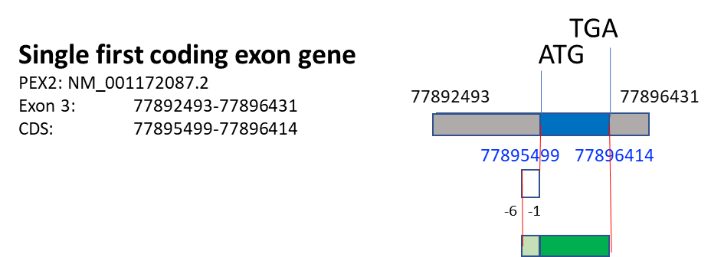
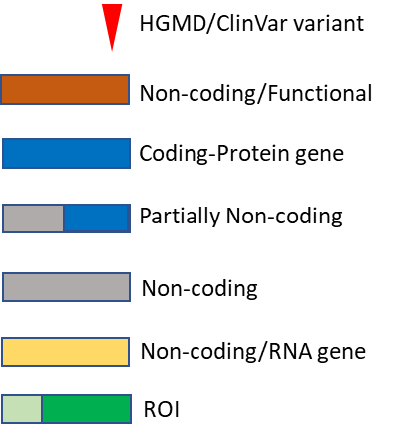
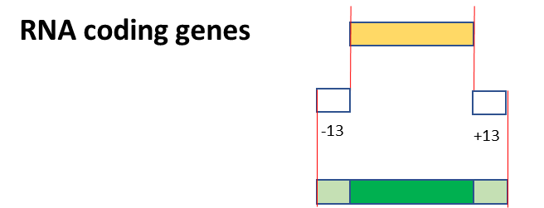
SUMMARY |  |  | Data pulled in from Table 1 and Table 2 below
Which Clinical entities need to be included? (clinical overlap; differential diagnosis) | Disease Code | Prevalence | Expected clinical sensitivity (Table 2) | Clinically Significant Variant Spectrum (Use to inform assay/pipeline design ) |  |  |  | Recurrent Prevalent Variants (Y/N) Add variants to RM selection (Tab E)
 |  |  |  | SNV + InDel | CNV | Other SV | Other (eg: rpt exp)
disease 1 | OMIM: 123456 | 1/500 | 56.80% | Y | Y | N | N
disease 2 | OMIM: 345678 | 1/300 | 48.66% | Y | N | N | N
disease 3 | add | add | formula --> table 2 | --> table 1 | --> table 1 | --> table 1 | --> table 1
disease 4 | add | add | formula --> table 2 | --> table 1 | --> table 1 | --> table 1 | --> table 1
disease 5 | add | add | formula --> table 2 | --> table 1 | --> table 1 | --> table 1 | --> table 1
disease 6 | add | add | formula --> table 2 | --> table 1 | --> table 1 | --> table 1 | --> table 1
 |  |  |  |  |  |  |  |  |  | Courtesy of: Annette Leon and Birgit Funke

SECTION 3 (DETAILED ANNOTATIONS)

TABLE 1: GENE - DISEASE DATA |  |  |  |  |  | TABLE 2: DETECTION RATES
Gene | GENE 1 | GENE 2 | GENE 3 | GENE N |  | GENE | DISEASE 1 |  | DISEASE 2
HGNC Symbol (See HGNC LookUp URL above) |  |  |  |  |  |  | Exp. Det. Rate | Sources | Exp. Det. Rate | Sources
Alias (eg legacy name) |  |  |  |  |  |  | 56.80% |  | 48.66%
Ensembl ID |  |  |  |  |  | GENE01 | 1.00% |  | 0.00%
Disease | DISEASE 1 | DISEASE 2 | DISEASE 3 | DISEASE N |  | GENE02 | 4.00% |  | 0.00%
Strength of Gene-Disease Association (ClinGen if available; GenCC is a good alternative) URLs: See above | DEFINITIVE | DEFINITIVE | DEFINITIVE |  |  | GENE03 | 2.00% |  | 0.00%
 |  |  |  |  |  | GENE04 | 2.00% |  | 0.00%
Inheritance Pattern | AD | AD | AD |  |  | GENE05 | 1.50% |  | 0.00%
Molecular Mechanism | LOF | GOF | GOF |  |  | GENE06 | 10.00% |  | 0.00%
Relative Contribution of Variant Types --> use to fill summary table above + inform assay/pipeline design |  |  |  |  |  | GENE07 | 4.50% |  | 0.00%
SNV | 5.00% | 99.00% | 1.00% |  |  | GENE08 | 5.00% |  | 0.00%
InDel | 80.00% | 1.00% | 99.00% |  |  | GENE09 | 1.00% |  | 0.00%
CNV | 15.00% | 0.00% | 0.00% |  |  | GENE10 | 0.10% |  | 0.00%
Other SV | 0.00% | 0.00% | 0.00% |  |  | GENE11 | 2.00% |  | 0.00%
Other (eg repeat expansion) | 0.00% | 0.00% |  |  |  | GENE12 | 0.30% |  | 0.00%
Recurrent/Prevalent Variants --> --> --> add to Tab E (reference material selection) |  |  |  |  |  | GENE13 | 1.00% |  | 0.00%
coding |  |  |  |  |  | GENE14 | 1.00% |  | 0.00%
Variant 1 |  |  |  |  |  | GENE15 | 0.00% |  | 0.00%
Variant 2 |  |  |  |  |  | GENE16 | 15.00% |  | 0.00%
Variant N |  |  |  |  |  | GENE17 | 0.40% |  | 0.00%
Etc |  |  |  |  |  | GENE18 | 1.00% |  | 3.00%
non-coding |  |  |  |  |  | GENE19 | 4.90% |  | 10.56%
Variant 1 |  |  |  |  |  | GENE20 | 0.10% |  | 5.00%
Variant 2 |  |  |  |  |  | GENE21 | 0.00% |  | 3.00%
Variant N |  |  |  |  |  | GENE22 | 0.00% |  | 10.00%
Etc |  |  |  |  |  | GENE23 | 0.00% |  | 2.00%
 |  |  |  |  |  | GENE24 | 0.00% |  | 5.00%
Clinically Relevant Transcripts (known relevance for disease - OR - all transcripts if nothing is known) |  |  |  |  |  | GENE25 | 0.00% |  | 1.00%
Primary transcript for reporting (choose one option) |  |  |  |  |  | GENE26 | 0.00% |  | 1.00%
 | Transcript ID |  |  |  |  | GENE27 | 0.00% |  | 1.00%
• MANE Select (if available) (URL above) | add ID |  |  |  |  | GENE28 | 0.00% |  | 5.00%
• Laboratory defined | add ID |  |  |  |  | GENE29 | 0.00% |  | 2.00%
 |  |  |  |  |  | GENE30 | 0.00% |  | 0.10%
Additional transcripts (alternatively spliced exons)
Source | Transcript ID | alt exon(s) | coding?
• MANE Plus Clinical (if available) |  | ex 1, 6, 7 | N/Y/Y
• Laboratory defined |  | ex 5, 20 | Y/Y

Other Regions of known clinical relevance
Region | coordinates
e.g.: promoter | add
e.g.: intronic splice branch site | add

